Unit testing
#1 - View is non-secure

#2 - View is accessible
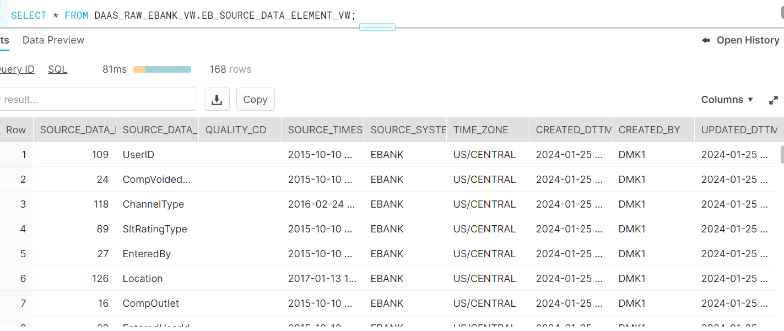

#3 - Rec count check b/w table and View

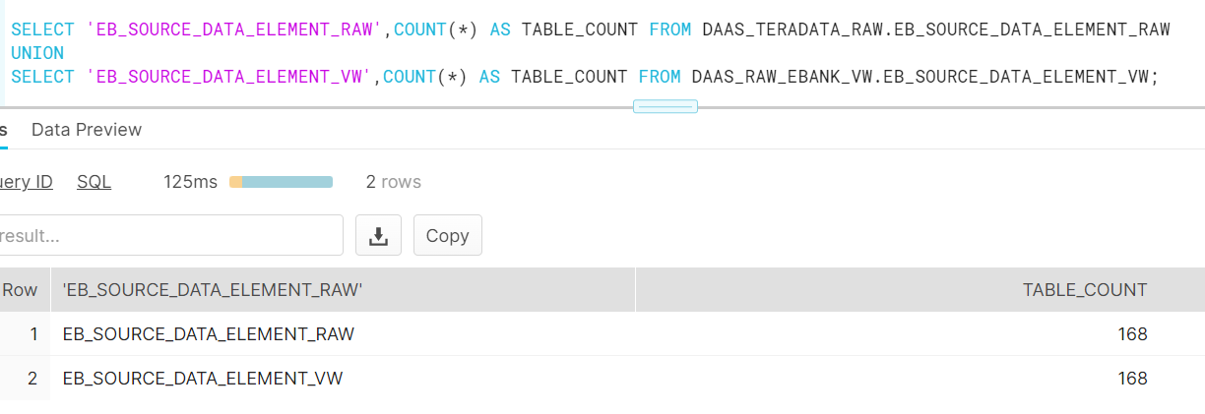

#4 - Validate all the SOURCE_DATA_ELEMENT are in the transaction table - DAAS_CORE.FUND_TRANSACTION_DETAIL_FACT or DAAS_CORE.FUND_TRANSACTION_SOURCE_DATA_FACT

For some records we may not have data in Base table
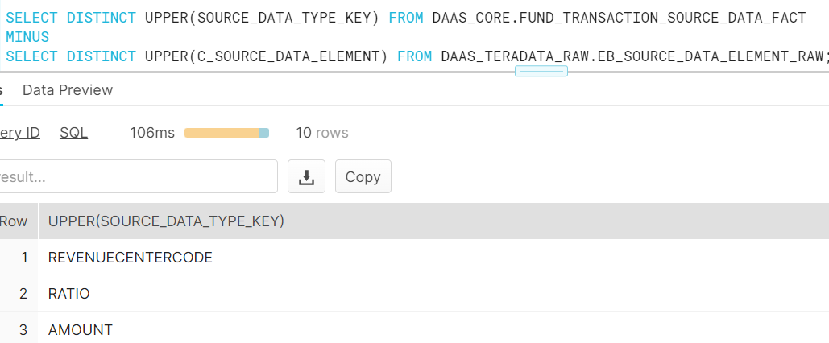

One sample

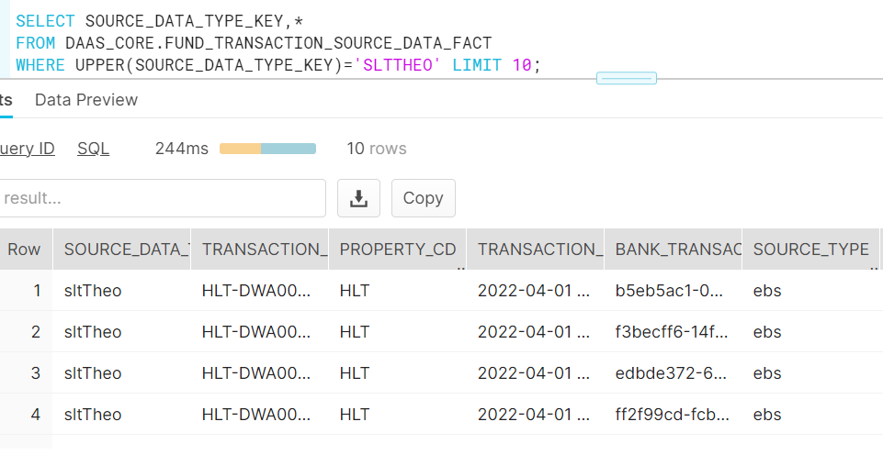

Corresponding value in base table

